Instructions
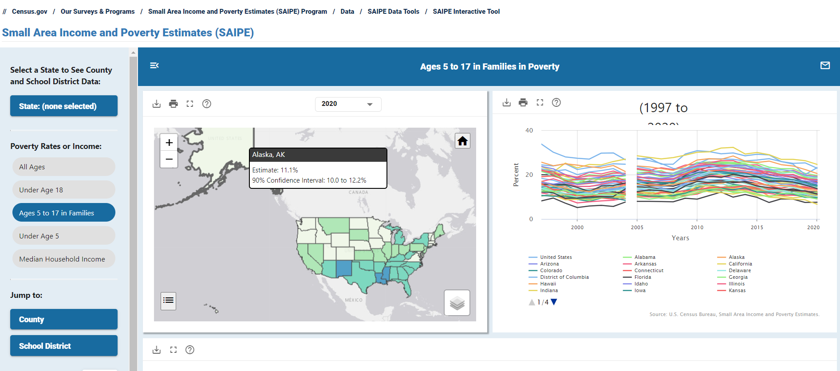
Cost Estimator
College Board provides discounts for schools and districts that serve low-income students and those that administer assessments in both the fall and the spring of the 2024-25 school year. This cost estimator is intended to help schools and districts estimate the potential cost of their College Board assessments for the 2024-25 school year and should not be considered a pricing commitment. Pricing is subject to change.
Instructions
The cost estimator tool can be accessed by clicking on the "Calculator Form" tab of this Excel file. The instructions below will walk you through the steps to calculate your potential assessment costs.
1. In cell G5 of the "Calculator Form" tab enter a 2 if your school or district resides in a state that has an agreement with College Board to pay for an assessment or a 1 if not. If you are unsure if your state has an agreement please contact your account manager.
2. In cell G7 of the "Calculator Form" tab enter the child poverty rate for your school or district. To find your applicable child poverty rate, visit https://www.census.gov/data-tools/demo/saipe/#/. The screenshot below provides an example of how to access your school district information. The poverty rate selected should be 'Ages 5 to 17 in Families'. If your district child poverty rate is above 45% enter 45%. Schools not aligned with a school district should use the county child poverty rate where the school resides.
3. For each fall and spring assessment, enter the anticipated volumes in the appropriate cells on the "Calculator Form" tab. Do not include volumes that the state will be covering.
4. Upon completing the steps above, your anticipated cost estimate will be displayed in cell G21 of the "Calculator Form" tab.

